DistributionAnalysis
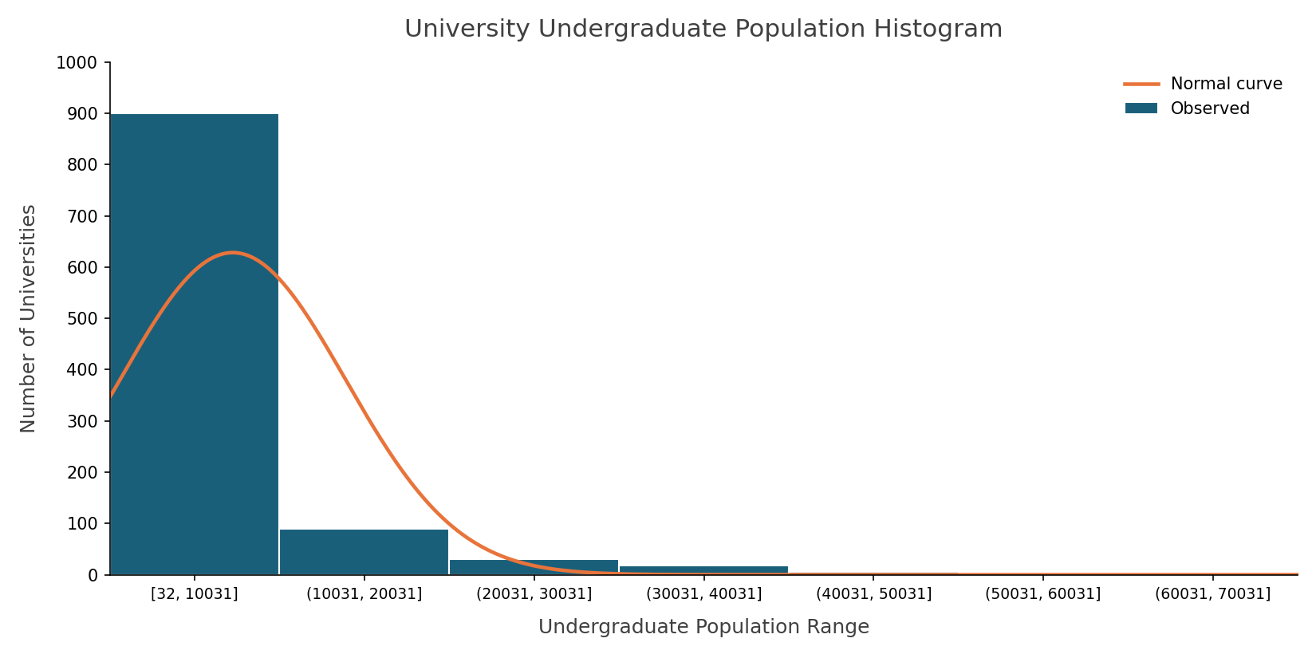
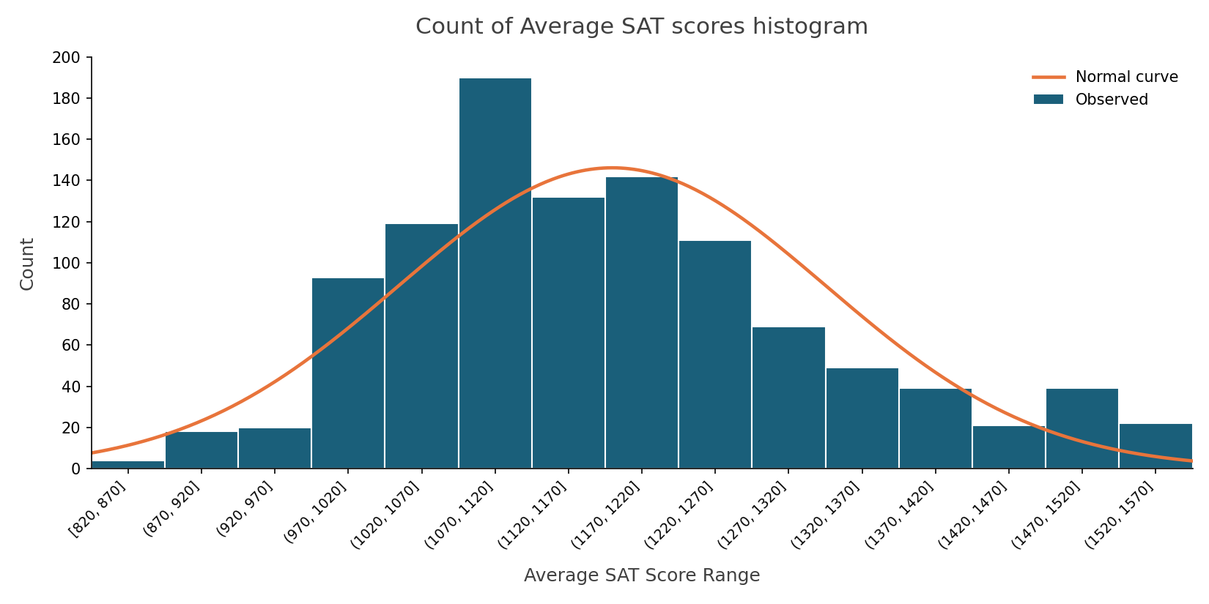
Mean | 5596.957944 | Heavily right-skewed, with the vast majority of schools clustered | Mean | 1176.958879 | Roughly unimodal and reasonably close to normal, though there's a
Median | 2428.5 | in the smallest population bin and a long thin tail out to 70,000+. | Median | 1154 | mild right skew with a longer tail toward higher scores. The normal approximation is a
Standard Deviation | 8051.464428 | Normality assumptions clearly don't hold here. | Standard Deviation | 144.7072662 | decent (not perfect) fit.
Kurtosis | 11.54585275 |  | Kurtosis | -0.006446195
Skewness | 3.016141009 |  | Skewness | 0.59300866

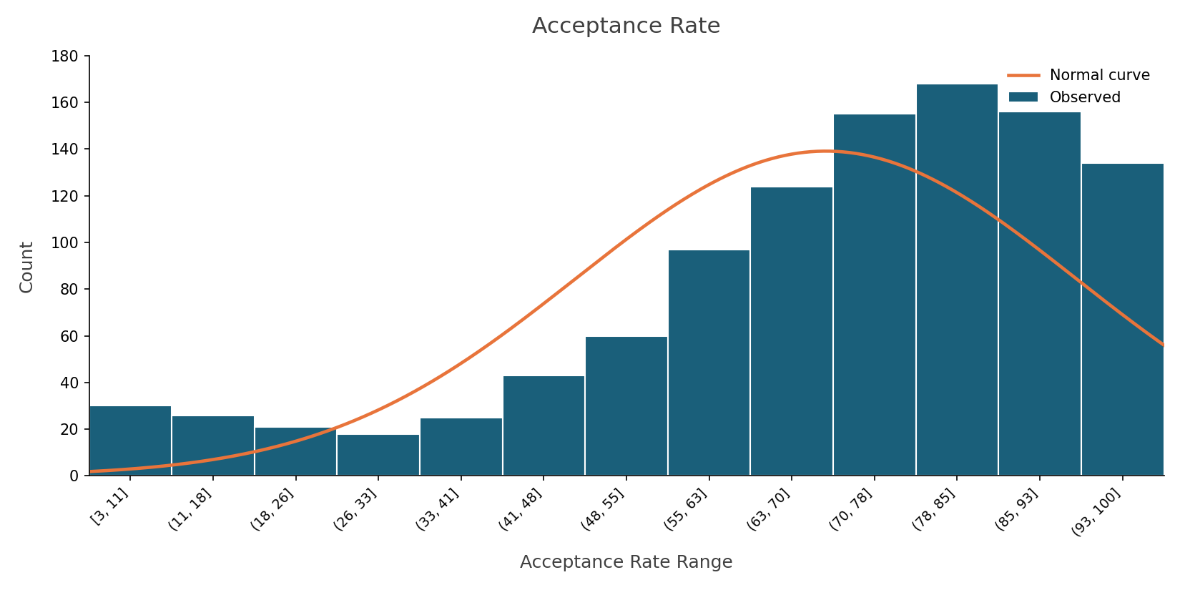
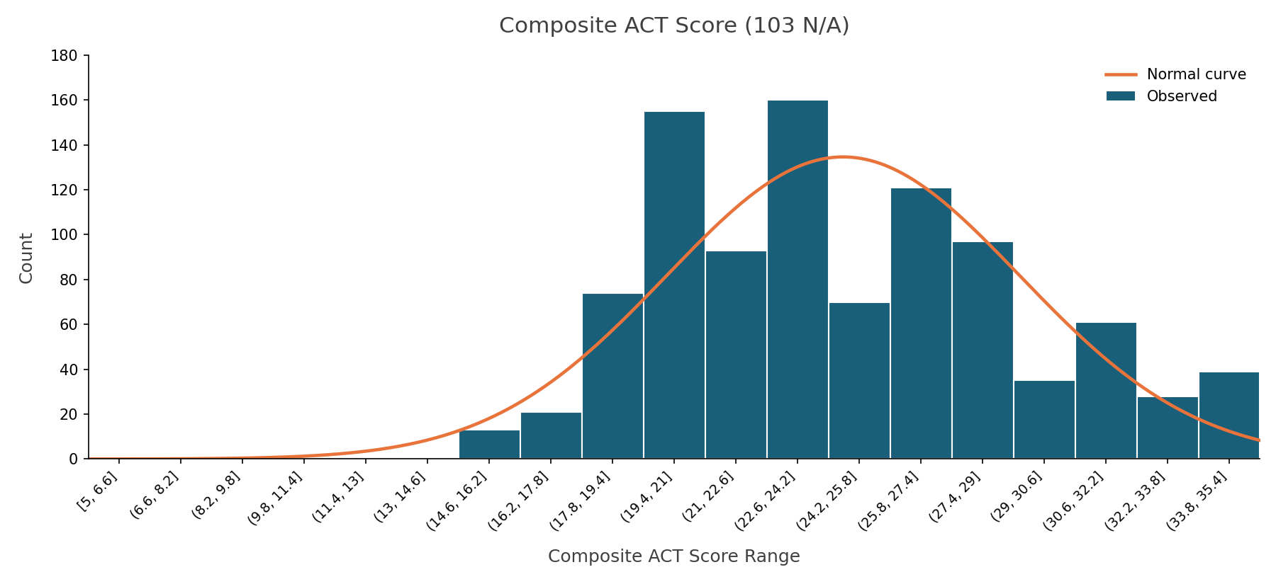
Mean | 69.90% | Left-skewed, with acceptance rates piling up in the higher ranges
Median | 74.64% | (70–93%) and a longer tail toward low, selective rates. Not a good candidate for
Standard Deviation | 22.71% | normal-based inference.
Kurtosis | 0.659255955 |  | Mean | 24.65149948 | Composite ACT Score, Roughly symmetric and unimodal, though
Skewness | -1.071307676 |  | Median | 24 | there's a slight irregularity (two close peaks around 19–21,22.6–24.2)
 |  |  | Standard Deviation | 4.574385807 | that suggests mild bimodality. Normal assumptions are reasonably defensible.
 |  |  | Kurtosis | -0.323113678
 |  |  | Skewness | 0.288048824

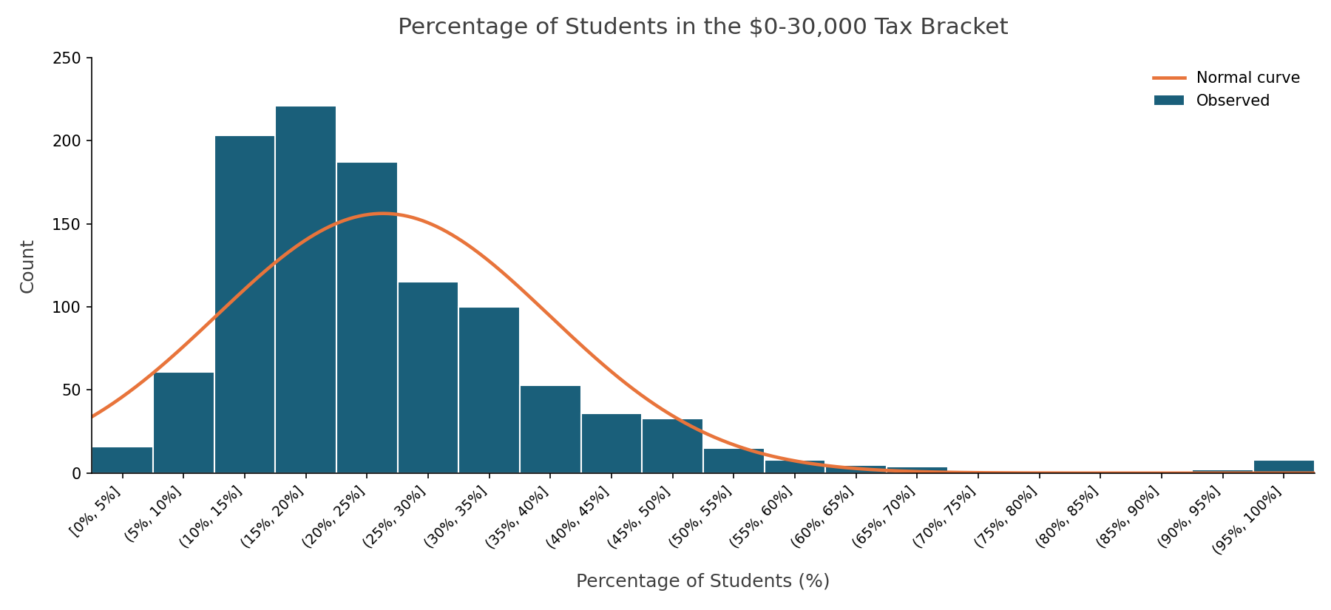
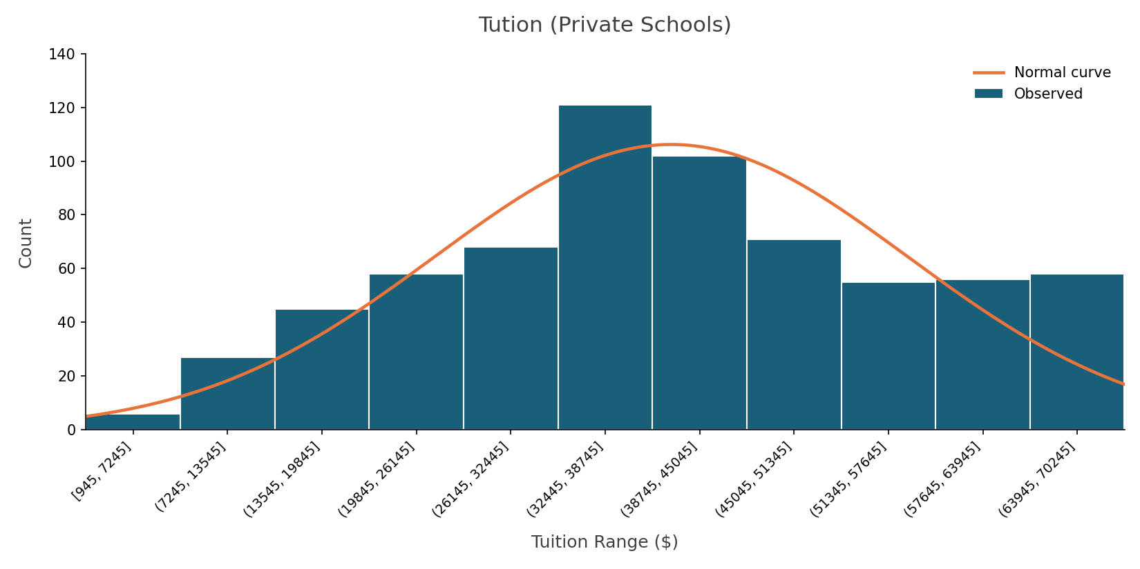
Mean | 24.18% | $0–30,000 – Strongly right-skewed, with most schools reporting
Median | 20.94% | low percentages of students in this bracket and a thin tail
Standard Deviation | 13.82% | extending out. Not approximately normal.
Kurtosis | 8.562988116 |  | Mean | 40952.2442 | The tuition for private schools is skewed
Skewness | 2.177801352 |  | Median | 39680 | very slightly to the right, the assumptions for normal probability
 |  |  | Standard Deviation | 14985.2725 | are not valid because the mean does not equal the median
 |  |  | Kurtosis | -0.7692381 | and the data is not symmetric.
 |  |  | Skewness | 0.00845172

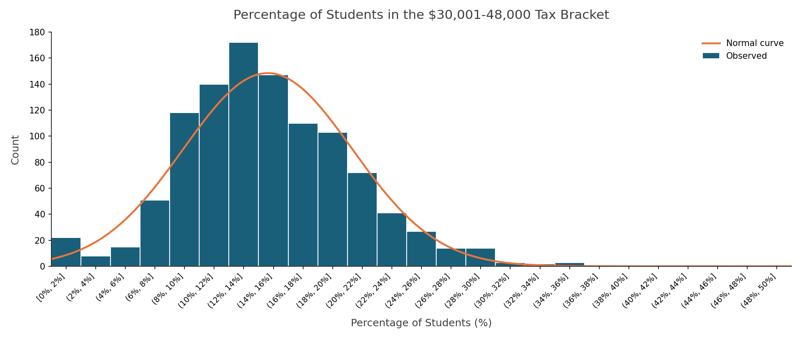
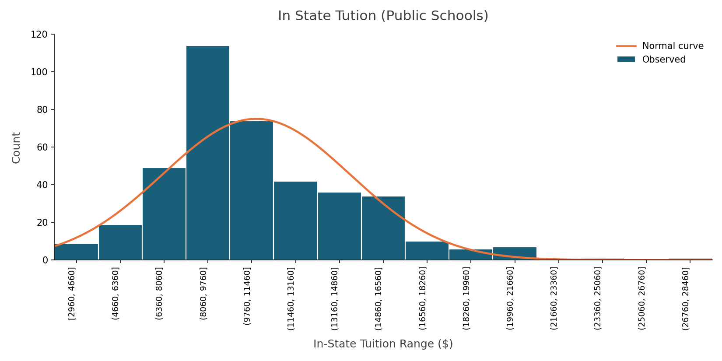
Mean | 14.83% | More moderate shape, close to unimodal with a mild right skew;
Median | 14.19% | this one comes closer to satisfying normality than most of the
Standard Deviation | 5.89% | tax-bracket variables.
Kurtosis | 2.483867295 |  | Mean | 22813.1678 | The in state tuition for public schools is skewed
Skewness | 0.897015283 |  | Standard Deviation | 8866.89448 | to the right, the assumptions for normal probability
 |  |  | Standard Deviation | 8866.89448 | are not valid because the mean does not equal the median
 |  |  | Kurtosis | 0.87807047 | and the data is not symmetric.
 |  |  | Skewness | 0.78810524

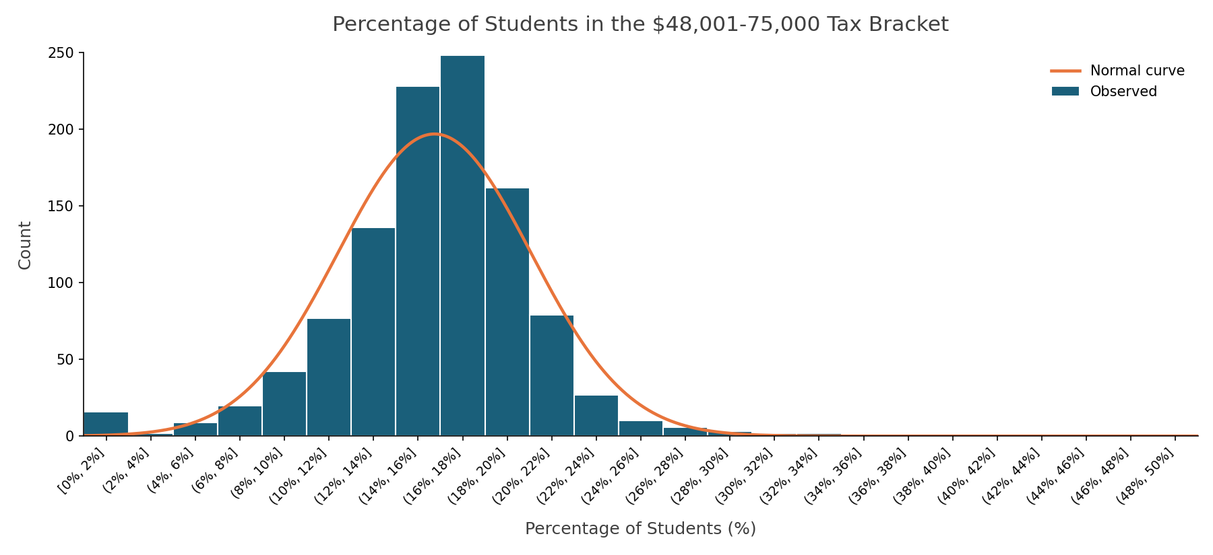
Mean | 16.22% | Sharply right-skewed with a tall, narrow peak and a steep drop-off,
Median | 16.14% | indicating a poor fit to the normal curve.
Standard Deviation | 5.44%
Kurtosis | 5.27515712
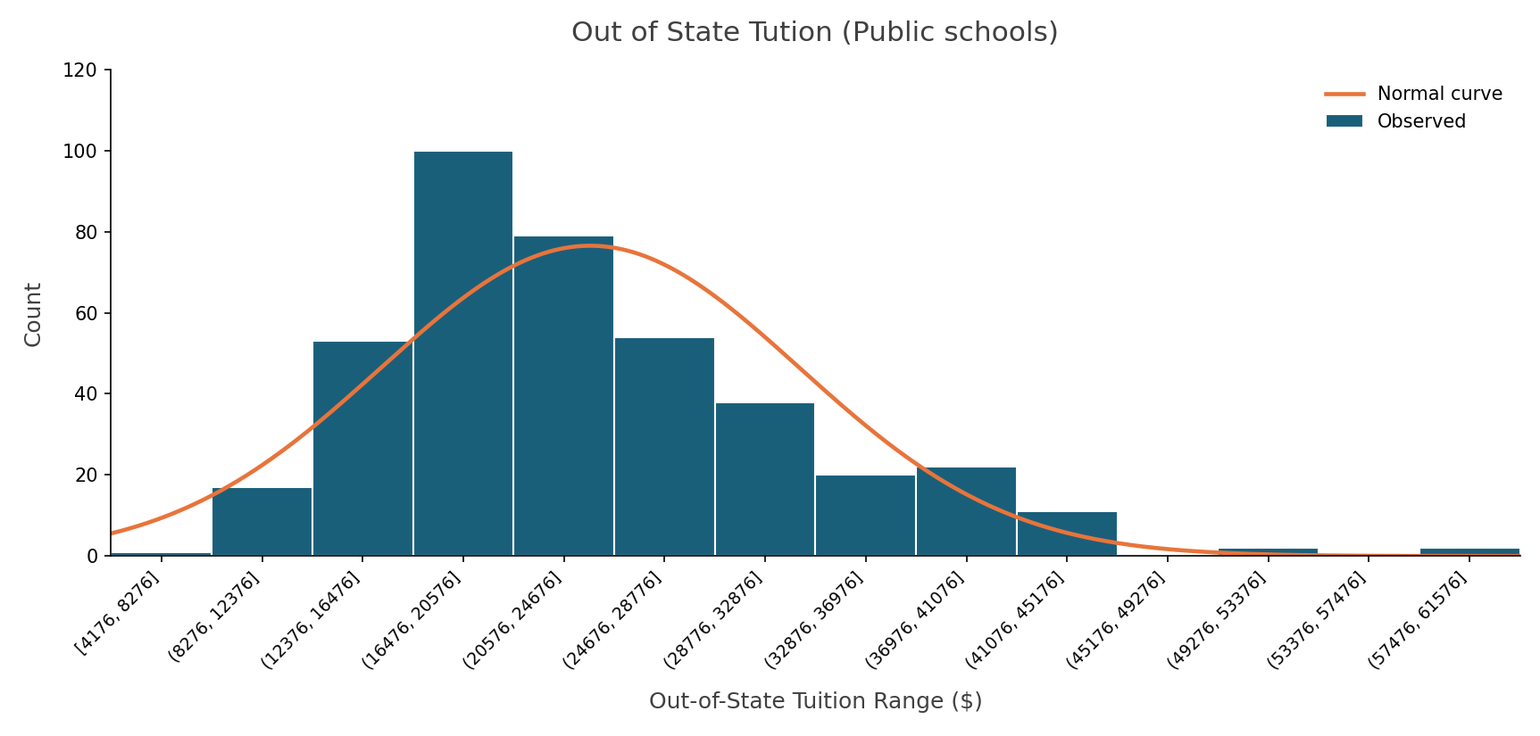
Skewness | 0.805998919
 |  |  | Mean | 33781.3757 | Right-skewed, with a sharp peak early
 |  |  | Median | 31705.5 | and a long tail stretching toward $60,000+.
 |  |  | Standard Deviation | 15667.2698 | Normality assumptions are weak here.
 |  |  | Kurtosis | -0.6756166
 |  |  | Skewness | 0.47728462

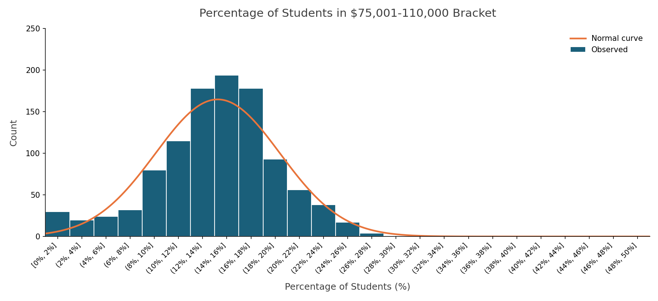
Mean | 14.46% | Also right-skewed with a pronounced peak and long tail; normal
Median | 14.65% | probability assumptions don't hold well.
Standard Deviation | 5.38%
Kurtosis | 1.028645419
Skewness | 0.223917274

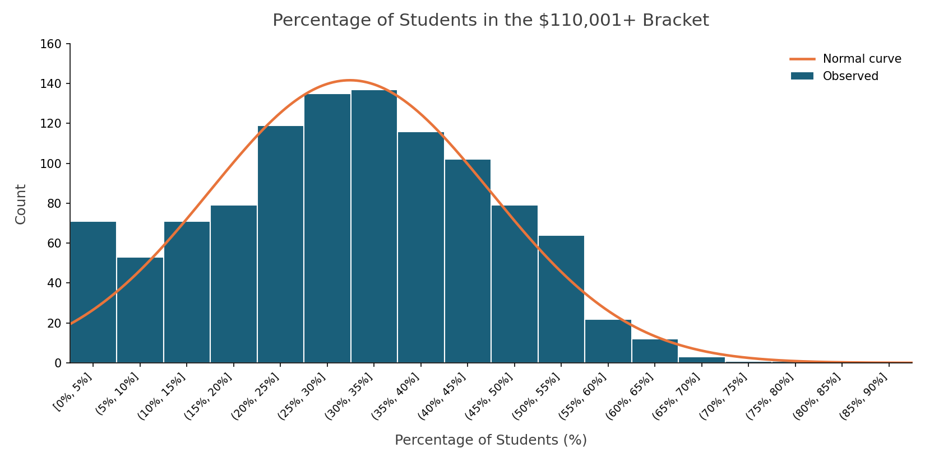
Mean | 30.31% | Broader and closer to symmetric than the other tax brackets, though
Median | 30.34% | still right-skewed overall. It's the best-fitting of the tax-bracket group, but still imperfect
Standard Deviation | 15.16% | for normal-based inference.
Kurtosis | -0.228736248
Skewness | 0.148550969

Gen AI Usage Explained
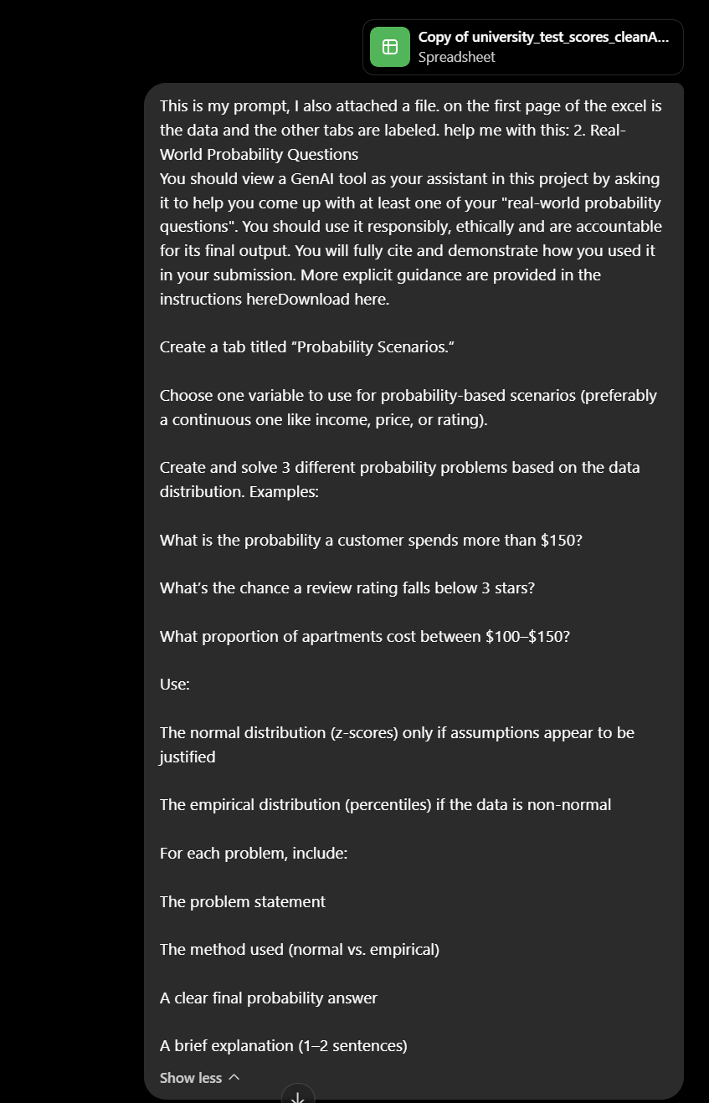
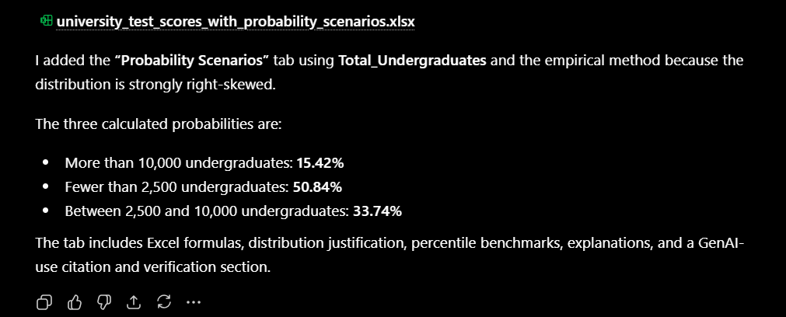
Gen Ai Usage Explanation:
I used ChatGPT plus to help me draft probability scenarios for part 2 of assignment 4. I gave chat gpt the prompt on the right and it responded with a file I inlcuded in submission labeled: "university_test_scores_with_probability_scenarios" as well as the response included below my prompt to the right. ChatGPT gave me the idea of using one variable, testing different intervals, and using a formula to prove that each probability was calculated correctly. ChatGPT favored excel calculations over pivot tables which helped with taking up less space and included an explanantion for each scenario. Overall, ChatGPT performed incredibly well, however, this may be due to me feeding it large amounts of stats info from class when making my cheat sheet.
Even so, I still ran into issues. Some of the excel formulas were formated incorrectly and I had to change them for them to work properly. The formatting excell made was heavily influenced by extensive prompts I gave it the day before I gave it this prompt. This is why my first iteration turned out so exceptionally well.

